Summary
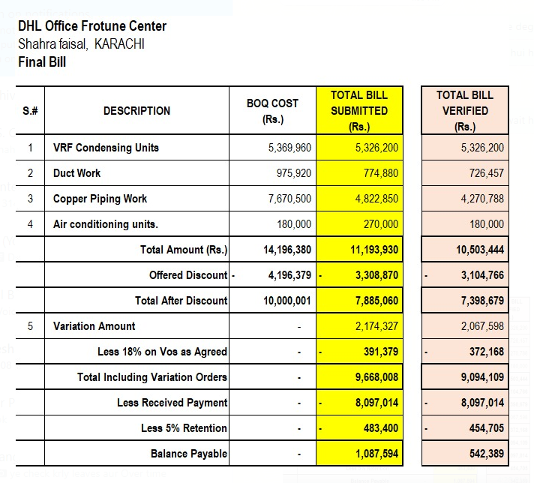
DHL Office Frotune Center |  |  |  | DHL Office Frotune Center
Shahra faisal, KARACHI |  |  |  | Shahra faisal, KARACHI
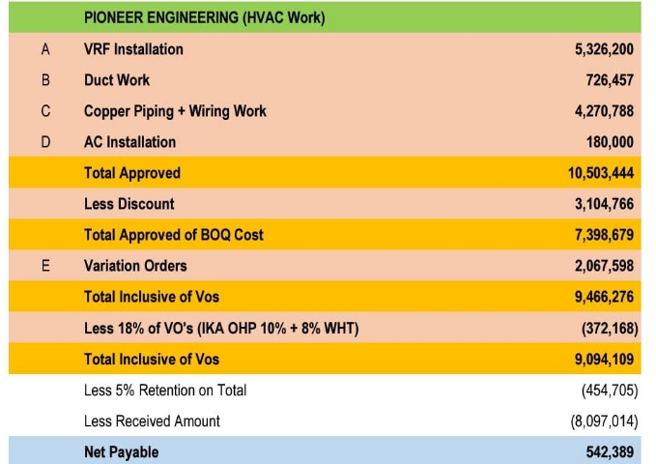

FINAL BILL |  | Verified Bill |  | FINAL BILL |  | Verified Bill
S.# | DESCRIPTION | TOTAL (Rs.) |  | S.# | DESCRIPTION | TOTAL (Rs.)
1 | VRF Condensing Units | 5,326,200 |  | 1 | VRF Condensing Units | 5,326,200
2 | Duct Work | 726,457 |  | 2 | Duct Work | 726,457
3 | Copper Piping Work | 4,270,788 |  | 3 | Copper Piping Work | 4,270,788
4 | Air conditioning units. | 180,000 |  | 4 | Air conditioning units. | 180,000
 | Total Amount (Rs.) | 10,503,444 |  |  | Total Amount (Rs.) | 10,503,444

5 | Discount Agreed 19% | 1,995,654 |  | 5 | Discount Agreed 29.58% | 3,104,608
6 | Total Amount (Verified) | 8,507,790 |  | 6 | Total Amount (Verified) | 7,398,836

7 | Variation Amount (06 Nos) | 2,067,598 | Under verification Process | 7 | Variation Amount (06 Nos) | 2,067,598
8 | Grand Total Amount (Receivables) | 10,575,388 |  | 8 | Grand Total Amount (Receivables) | 9,466,434
9 | Add 4.5% Tax amount | 475,892 |  | 8 | Lesss 18% variation over head + Tax | 372,168
10 | Total | 11,051,280 |  |  | Grand Total Amount (Receivables) | 9,094,267
11 | Received Amount | 8,097,014 |  | 9 | Add 4.5% Tax amount | 409,242
12 | Retention 5% | 552,564 |  | 10 | Total | 9,503,509
13 | Balance Receivables | 2,401,702 |  | 11 | Received Amount | 8,097,014
 |  |  |  | 12 | Retention 5% | 475,175
Note: 1) The original Quoted BOQ was PKR 14,196,380/-. However, after discussions with Mr. Taha Ghaznavi, the final agreed amount was settled at PKR 11,500,000/-. This reflects a discount of approximately 19%. |  |  |  | 13 | Balance Receivables | 931,319
2) In the variation scope, a 28% overhead is already included, of which you are entitled to 10%. Therefore, an additional 18% deduction on variations is not justified.
 |  |  |  | Note: 1) The original Quoted BOQ was PKR 14,196,380/-. However, after discussions with Mr. Taha Ghaznavi, the final agreed amount was settled at PKR 11,500,000/-. This reflects a discount of approximately 19%. |  |  | 9094109
 |  |  |  | 2) In the variation scope, a 28% overhead is already included, of which you are entitled to 10%. Therefore, an additional 18% deduction on variations is not justified. |  |  | 454705.45

